Sheet2
SurgDate | Actual | Predicted (1 days prior) | Predicted (3 days prior) | Predicted (7 days prior)
2012-08-24 | 126 | 135 | 140 | 134
2012-08-27 | 127 | 127 | 126 | 125
2012-08-28 | 139 | 144 | 139 | 134
2012-08-29 | 125 | 121 | 126 | 133
2012-08-30 | 126 | 131 | 140 | 140
2012-08-31 | 124 | 123 | 119 | 116
2012-09-04 | 114 | 122 | 121 | 113
2012-09-05 | 103 | 101 | 101 | 101
2012-09-06 | 126 | 125 | 126 | 128
2012-09-07 | 103 | 99 | 96 | 99
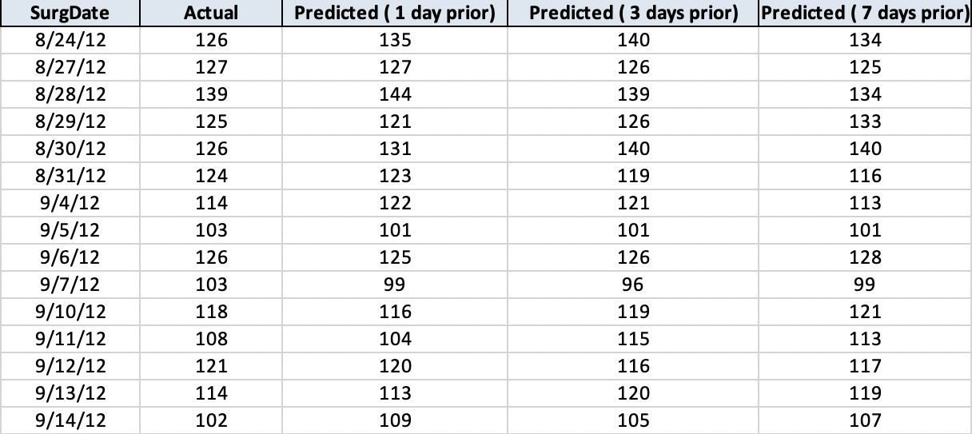
2012-09-10 | 118 | 116 | 119 | 121
2012-09-11 | 108 | 104 | 115 | 113
2012-09-12 | 121 | 120 | 116 | 117
2012-09-13 | 114 | 113 | 120 | 119
2012-09-14 | 102 | 109 | 105 | 107
 | 118.4 | 119.3 | 120.6 | 120.0

